Sheet1
Quotation Sheet
Items | Feature | Unit Price | QTY(MOQ) | Total Price (RMB)
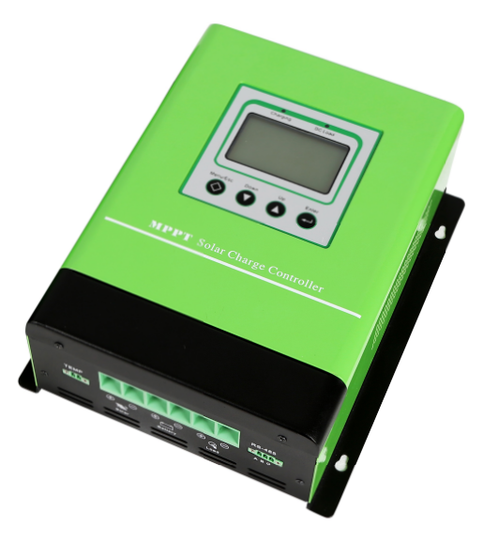 MPPT solar controller | MPPT 12V/24V/48V 30A Rate charge current:30A ; Efficiency>97% communication:RS485, PV input range 12VDC(15VDC-150VDC) PV Power:400Wp 24VDC(30VDC-150VDC) PV Power:800Wp 48VDC(60VDC-150VDC) PV Power:1600Wp Battery over-voltage and low-voltage protection, overload protection, over charge current protection,over-temperature protectionprotection | 430 | 50 | 21500
MPPT solar controller | MPPT 12V/24V/48V 40A Rate charge current:40A ; Efficiency>97% communication:RS485, PV input range 12VDC(15VDC-150VDC) PV Power:540Wp 24VDC(30VDC-150VDC) PV Power:1080Wp 48VDC(60VDC-150VDC) PV Power:2160Wp Battery over-voltage and low-voltage protection, overload protection, over charge current protection,over-temperature protectionprotection | 490 | 50 | 24500
MPPT solar controller | MPPT 12V/24V/48V 50A Rate charge current:50A ; Efficiency>97% communication:RS485, PV input range 12VDC(15VDC-150VDC) PV Power:650Wp 24VDC(30VDC-150VDC) PV Power:1300Wp 48VDC(60VDC-150VDC) PV Power:2600Wp Battery over-voltage and low-voltage protection, overload protection, over charge current protection,over-temperature protectionprotection | 530 | 50 | 26500
MPPT solar controller | MPPT 12V/24V/48V 60A Rate charge current:60A ; Efficiency>97% communication:RS485, PV input range 12VDC(15VDC-150VDC) PV Power:800Wp 24VDC(30VDC-150VDC) PV Power:1600Wp 48VDC(60VDC-150VDC) PV Power:3200Wp Battery over-voltage and low-voltage protection, overload protection, over charge current protection,over-temperature protectionprotection | 620 | 50 | 31000
MPPT solar controller | MPPT 12V/24V/48V 80A Rate charge current:80A ; Efficiency>97% communication:RS485, PV input range 12VDC(15VDC-150VDC) PV Power:960Wp 24VDC(30VDC-150VDC) PV Power:2000Wp 48VDC(60VDC-150VDC) PV Power:4000Wp Battery over-voltage and low-voltage protection, overload protection, over charge current protection,over-temperature protectionprotection | 1,000 | 50 | 50000
MPPT solar controller | MPPT 12V/24V/48V 100A Rate charge current:100A ; Efficiency>97% communication:RS485, PV input range 12VDC(15VDC-150VDC) PV Power:1200Wp 24VDC(30VDC-150VDC) PV Power:2500Wp 48VDC(60VDC-150VDC) PV Power:5000Wp Battery over-voltage and low-voltage protection, overload protection, over charge current protection,over-temperature protectionprotection | 1,200 | 50 | 60000
Total EXW Foshan China Price |  |  |  | 213500
Remark
Packing:Export color carton packing
Terms of Payment:T/T 30% deposit advance,70% balance before shippment
Delivery Time:Would be 15days from recepit of deposit.
Quality Guarantee:12 months quality warranty
The quotation is valid in 10 days. 1USD=6.35RMB

